Test_Cases
# | Checking Rules | Table | Query | Expected Result
1 | Consistency | [hr].[countries] | SELECT region_id, COUNT(*) as amount FROM [hr].[countries] GROUP BY region_id; | 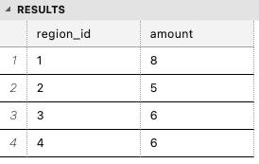 The number of countries corresponds to the values ​​of region_id
2 | Completeness | [hr].[countries] | SELECT COUNT(*) as amount FROM [hr].[countries] WHERE country_name = 'Australia'; |  COUNT = 1
3 | Accuracy | [hr].[employees] | SELECT MIN(salary) AS min_salary FROM [hr].[employees]; |  min_salary = 2500.00
4 | Integrity | [hr].[employees] | SELECT COUNT(*) as emp_amount FROM [hr].[employees] WHERE department_id = 9; |  COUNT = 3
5 | Uniqueness | [hr].[jobs] | SELECT job_title FROM [hr].[jobs]; | 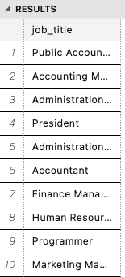 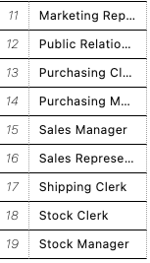 List of correct roles
6 | Accuracy | [hr].[jobs] | SELECT * FROM [hr].[jobs] WHERE min_salary >= (SELECT max(min_salary) FROM [hr].[jobs]) | job_title - President

